手順
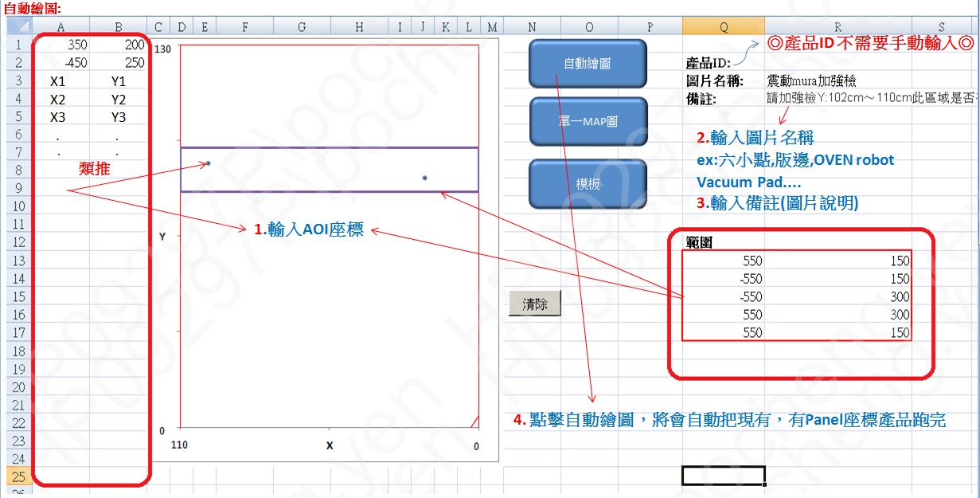

單一MAP圖:
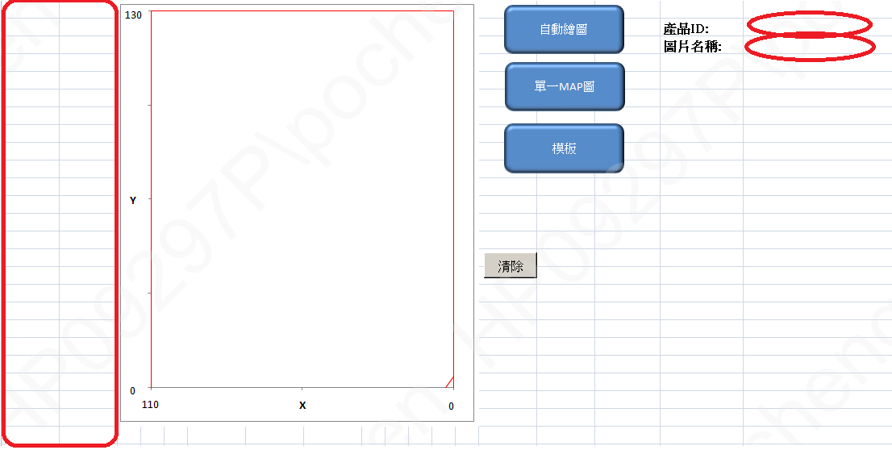
X1 Y1
X2 Y2
X3 Y3
. .
. .
類推

1.輸入AOI座標

2.輸入產品ID ex:FG5013GXS1

3.輸入圖片名稱 ex:六小點,版邊,OVEN robot Vacuum Pad....

4. 點擊單一MAP圖，製作單張圖片

模板:
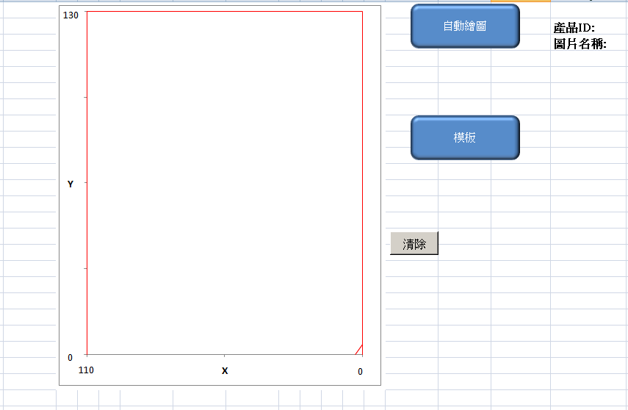

直接進行點擊，會自動新增尚未建造模板之產品

Map
 | 畫玻璃四邊 |  | 畫三三角 |  | lossdefect
550 | -660 | 500 | -680
550 | 650 | 560 | -600
-550 | 650
-550 | -660
550 | -660
130
自動繪圖
1
2 |  |  |  | 產品ID:
 | Image |  |  | 圖片名稱:
單一MAP圖
 |  |  |  | 備註:

模板

Y
 |  |  |  | 範圍

 |  | 畫玻璃四邊
 |  | 550 | -660
 |  | 550 | 650
 |  | -550 | 650
 |  | -550 | -660
 |  | 550 | -660

0
110
X
0
 |  | 畫三三角
 |  | 500 | -680
 |  | 560 | -600

MACR 座標轉AOI座標
1
2
3
4
5
6
7
8
9
10
11
12
13
14
15
16
17
18
Y
X
BM 2 Shot
1
2
3
4
5
6
7
8
9
10
11
12
13
14
15
16
17
18
PASS 4 Shot
Y
X
Com_Def | X | Y | 單位
MAC座標(1) (33角為起始點) | 28 | 102 | cm
MAC座標(2) (33角為起始點) | 85 | 110 | cm
MAC座標(3) (33角為起始點) | 28 | 14 | cm
MAC座標(4) (33角為起始點) | 85 | 14 | cm
MAC座標(5) (33角為起始點) |  |  | cm
MAC座標(6) (33角為起始點) |  |  | cm
MAC座標(7) (33角為起始點) |  |  | cm
MAC座標(8) (33角為起始點) |  |  | cm
MAC座標(9) (33角為起始點) |  |  | cm
MAC座標(10) (33角為起始點) |  |  | cm
AOI座標(1) | 270 | 370 | um
AOI座標(2) | -300 | 450 | um
AOI座標(3) | 270 | -510 | um
AOI座標(4) | -300 | -510 | um
AOI座標(5) | 0 | 0 | um
AOI座標(6) | 0 | 0 | um
AOI座標(7) | 0 | 0 | um
AOI座標(8) | 0 | 0 | um
AOI座標(9) | 0 | 0 | um
AOI座標(10) | 0 | 0 | um

